BUG_REPORT
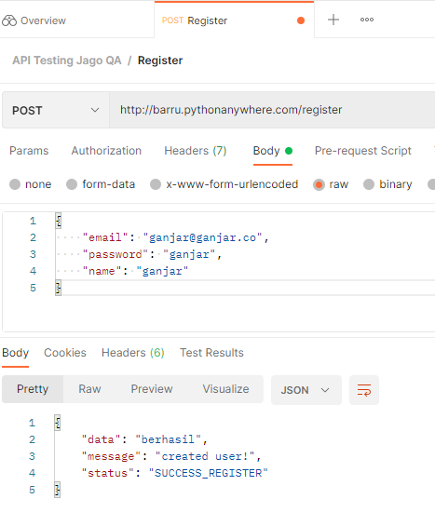
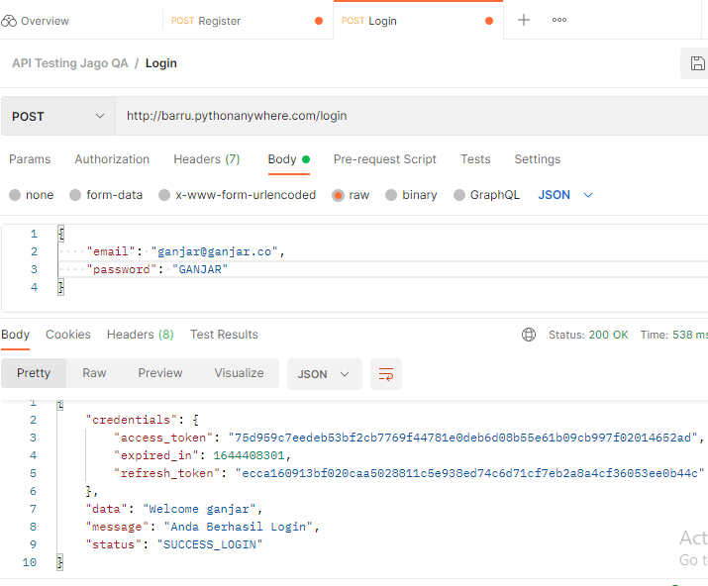
PORTFOLIO

 | REPORTER: Ganjar Sayogo Utomo | PROJECT / TEST CYCLE: USER REGISTRATION & LOGIN
 |  | TEST PLATFORM: POSTMAN
 |  | DEVICE / OS / BROWSER: PC / Windows 10 / Chrome
BUG REPORT
Bug_Id | Bug Title | Priority | Platform/Environment | Description | Steps to Reproduce | Expected Result | Actual Result
bug_001 | Succes Login with password turned uppercased or vice versa | Major | Windows 10 / Chrome Browser | Case-sensitive is not applied in Password field | 1. Fill email field with valid data 2. Fill password field with valid data but turned uppercased 3. Login success | Failed login, Show response "Email atau Password Anda Salah" | Success login, show response data "Welcome <username>"

 | Screenshot (1) |  | Screenshot (2)
 | Below are email, password, name registered |  | Below are demonstrated steps to reproduce

